Data Pull from DL
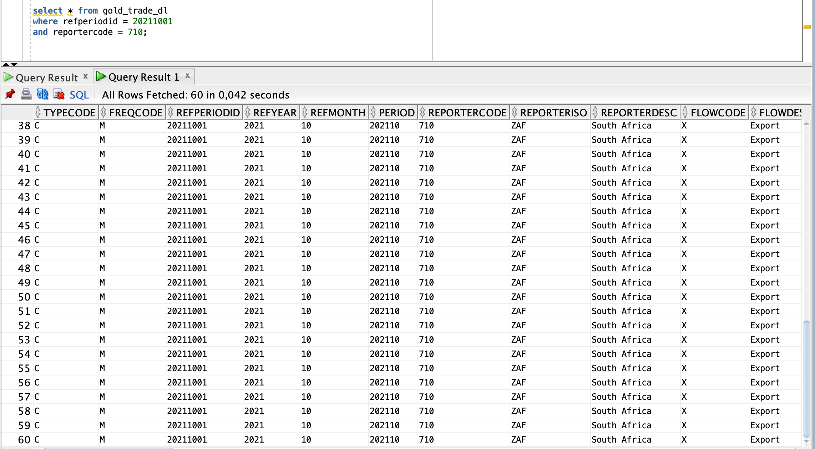
Selecting Data for 20211001 date for South Africa Reporter

Data Rejection
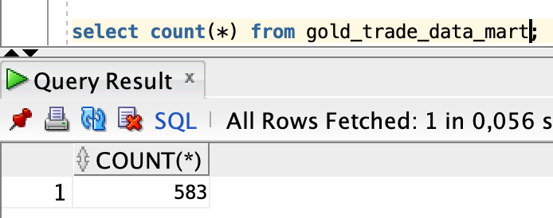
Total Count of Records in Source Data Lake
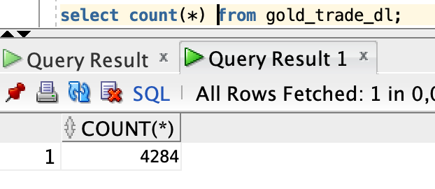

Data Rejection
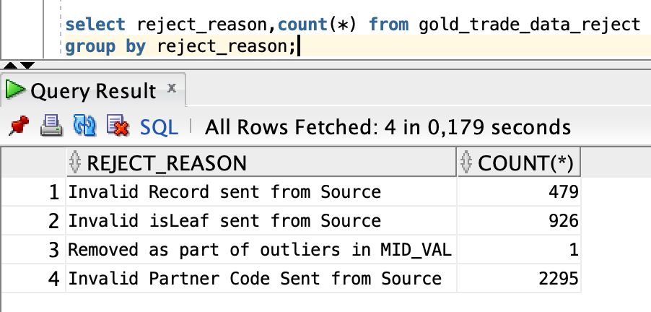

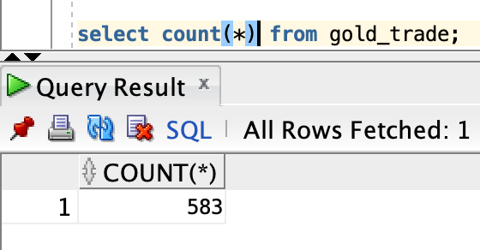
Total count of records in Data Warehouse

Total count of records in Data Mart

